Dignity KIT
Dignity kit
# | Item descriptions | Quantity | Unit | weight | Size | Color | Picture | Remarks
1 | Shampoo | 2 | PC |  | 200 ml |  |  | 200 ml/bottle, similar to Head & shoulder, Clear, Serasoft, Zinc
2 | Towel | 1 | PC |  | 100X50cm, soft |  |  | 100X50cm, soft
3 | Washing Powder | 1 | PC | 1kg |  |  |  | 1kg/pocket, similar to Wahab, Mayami
4 | Nail clipper | 1 | PC |  | Medium Size, 78.2mm*16mm, stainless steel |  |  | Medium Size, 78.2mm*16mm, stainless steel
5 | Sanitary Pad | 3 | PC |  |  |  | 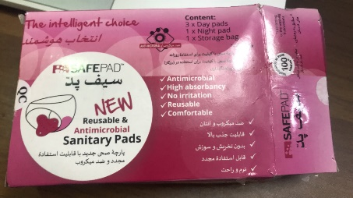 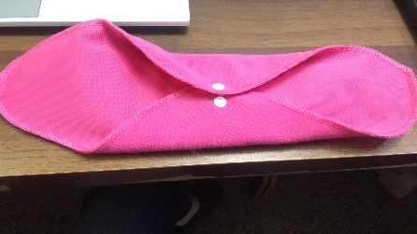 | Sample photo
6 | Female Underwear | 2 | PC |  | (1 Large & 1 Medium) |  |  | (1 Large & 1 Medium) cotton, high cut briefs
7 | Solar torch | 1 | PC |  |  |  |  | Rechargeable camping lantern, 6+1 LED laser brightness, similar to MH 5800T
8 | Tooth Brush for adults | 3 | PC |  |  |  |  | Similar to shield, cobra, soft-628
9 | Tooth Paste | 2 | PC |  | 170 g/tube |  |  | 170 g/tube, similar to collgate, dabur promise
10 | Comb for adults | 2 | PC |  | Large |  |  | Plastic, large size
11 | Vaseline | 2 | PC |  | 100g |  |  | 100g bottle, similar to INSAAF
12 | Blanket for adult | 1 | PC |  | 2x1.5m, 3.5 Kg |  |  | Soft, single user, 2x1.5m, 3.5 Kg
13 | Socks | 1 | pair |  | Medium. |  |  | Female socks size medium
14 | Scarf | 1 | PC |  | 2m*1m, Cotton high qulaity febric |  |  | According to availability in the market
15 | Bag for the kit items | 1 | PC |  | Made of cloth. size: 46x50cm |  |  | Good quality which can carry all items.

